Sheet1
Projetct Name: | Patient Management System
Module Name: | Login
Created By: | Tanzirul Islam
Creaton Date: | 2023-09-25

Test Scenario ID | Test Scenario Description | Test Case ID | Test Case Description | Test Steps | Preconditions | Test Data | Post Conditions | Expected Result | Actual Result | Status | Executed By
TS_001 | Verify the login functionality of login page | TC_login_001 | Enter an valid username and password | 1. Enter valid username 2.Enter valid password 3.Click on login button | Valid url Test data | Username:superadmin Password:SUPER_ADMIN | User should able to see the homepage | Successful login | Successful login | Pass | Tanzirul
TS_001 | Verify the login functionality of login page | TC_login_002 | Enter an valid username and invalid password | 1. Enter valid username 2.Enter invalid password 3.Click on login button | Valid url Test data | Username:superadmin Password:testingpass | Error message " Invalid username or password" | Popup an error | Popup an error | Pass | Tanzirul
TS_001 | Verify the login functionality of login page | TC_login_003 | Enter an invalid username and valid password | 1. Enter invalid username 2.Enter valid password 3.Click on login button | Valid url Test data | Username:boomboom Password:SUPER_ADMIN | Error message " Invalid username or password" | Popup an error | Popup an error | Pass | Tanzirul
TS_001 | Verify the login functionality of login page | TC_login_004 | Enter an invalid username and invalid password | 1. Enter invalid username 2.Enter invalid password 3.Click on login button | Valid url Test data | Username:boomboom Password:testingpass | Error message " Invalid username or password" | Popup an error | Popup an error | Pass | Tanzirul
TS_001 | Verify the login functionality of login page | TC_login_005 | Enter no data | 1.Click on login button | Valid url Test data | No Data | Error message " please input your email & please input your password" | Popup an error | Popup an error | Pass | Tanzirul
TS_001 | Verify the login functionality of login page | TC_login_006 | Enter password | 1.Click on eye button | Valid url Test data | Password:SUPER_ADMIN | user should able to see or hide the password | 1. Successfully showed 2. Successfully hide | 1. Successfully showed 2. Successfully hide | Pass | Tanzirul

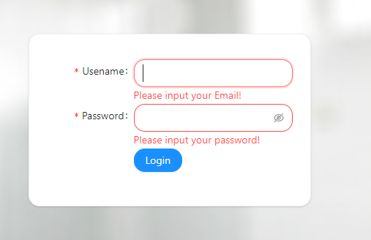

 |  |  | UI Error: If the text box's name contains a username, the error message should say that "the user name is invalid"

